How to apply colors
An Example of how to apply colors

To apply colors for specific values you have to create separate measures for them. Below the structure of the exemplary measure for Regions is shown. You can follow this SOP only in Power BI desktop

Region
USCAN | 1 | Teal | #176782 | Chart color for regions = SWITCH( TRUE(), SELECTEDVALUE('Hybrid Region Table'[Hybrid Region Column Name]) = "USCAN", "#176782", SELECTEDVALUE('Hybrid Region Table'[Hybrid Region Column Name]) = "China", "#45B2C5", SELECTEDVALUE('Hybrid Region Table'[Hybrid Region Column Name]) = "International", "#8F7801", SELECTEDVALUE('Hybrid Region Table'[Hybrid Region COlumn Name]) = "Total GEHC", "#00005F" )
China | 2 | Turquoise | #45B2C5
International | 3 | Old gold | #8F7801
Total GEHC | 4 | Indigo | #00005F

In the measure formula that you have, you need to: - replace the name of the table shown in '….' with the table from where you take the regions from in your chart - replace the name of the column shown in [….] with the column from where you take the regions from in your chart
Please note! Also - instead of putting the HEX color value directly in a measure, you can create the additional table with palette colors and take the specific color number directly from there. This way if palette changes, it will be easy for you to change color in all visualizations at once.

Once you have your measure ready, go to the specific visual, tu Visualizations pane and click on the chart and brush icon & seetings for Visual (the example below is on a sample data from outside of GEHC)

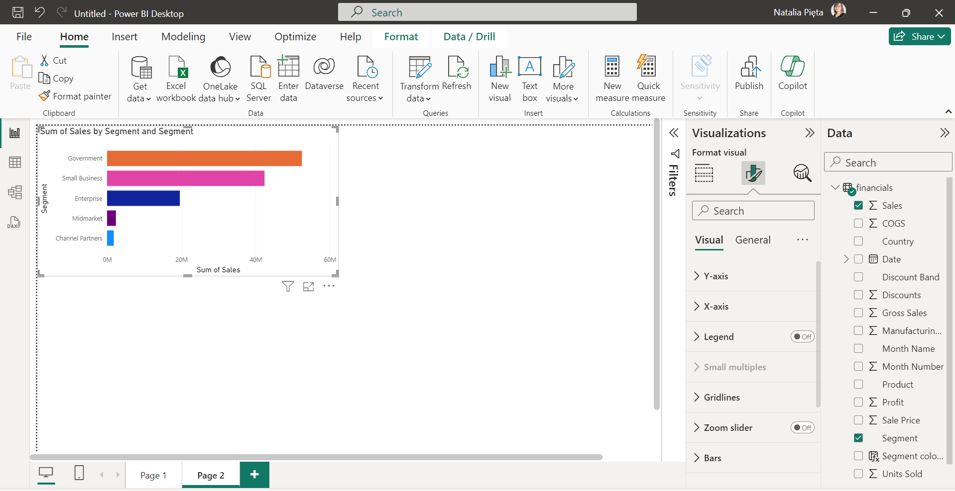

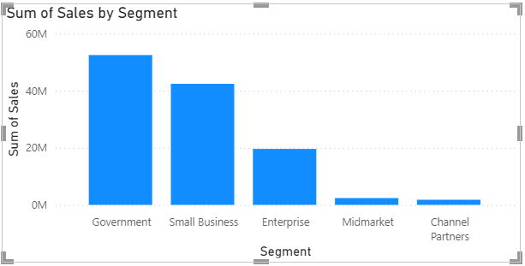

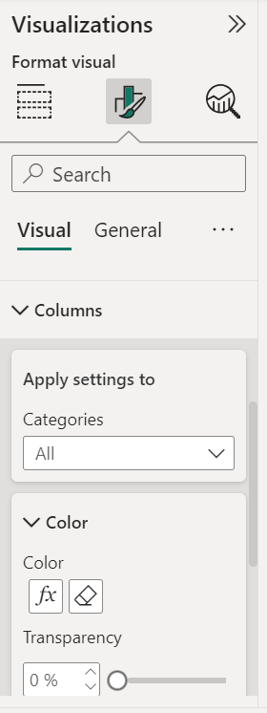
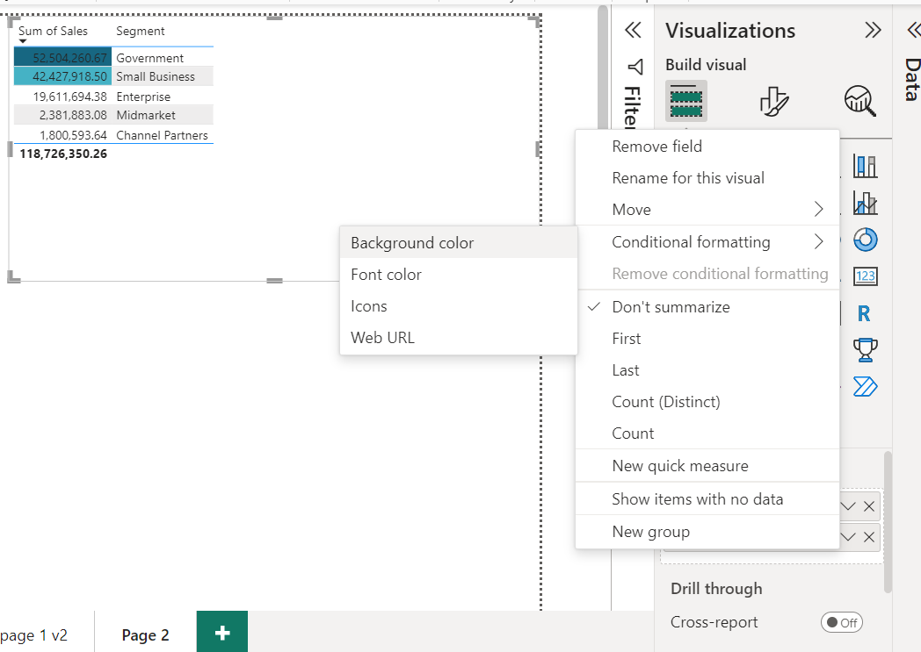
For different visualization you will find an option for conditional formatting in different places. Look at the examples to the right. |  |  |  | Clustered Column Chart Table

In this case you should pick Field value in Format style and then select your new measure as a source for color categories & click OK

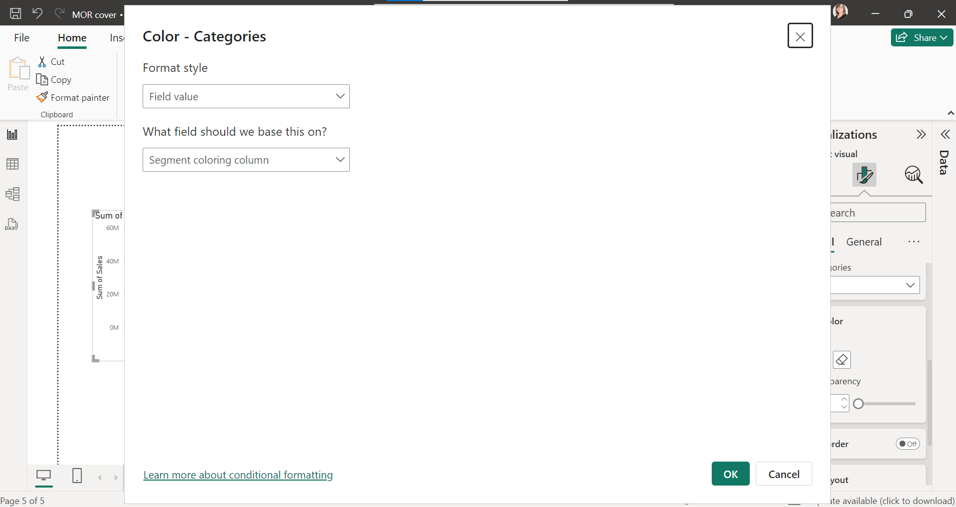
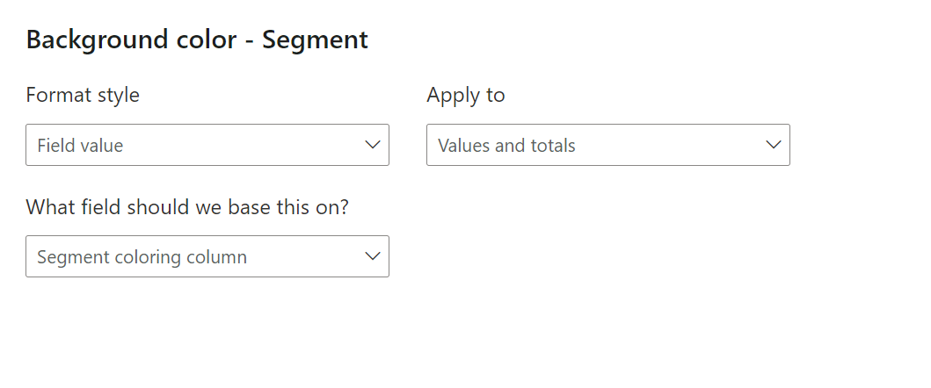

and you are done :)

Sample page with a table
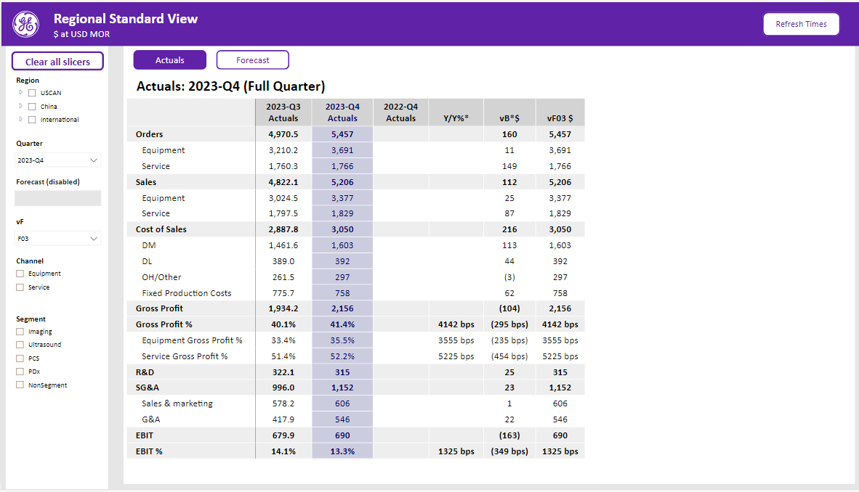

Sample landing page
